Project roles summary
Role | Name | School/Unit | Email | Phone | Mobile | Appointed by | Date
Project level roles
Business sponsor | Niall Scott | Corporate Communications |  |  |  | DCPB
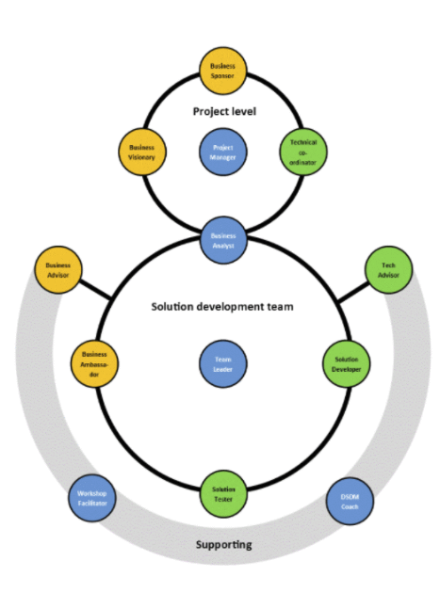
Business visionary |  |  |  |  |  | DCPB
Project manager | Gareth Saunders | Digital communications |  |  |  | DCPB
 | Carley Hollis | Digital communications |  |  |  | DCPB
Technical coordinator (dev) | Steve Evans | Digital communications |  |  |  | Project manager
Technical coordinator (content) | Carley Hollis | Digital communications |  |  |  | Project manager

Solutions development team roles
Business ambassador
Business analyst | Gareth Saunders | Digital communications |  |  |  | DCPB
Team leader | Steve Evans | Digital communications |  |  |  | DCT
Solution developer (content) | Jenny Hamrick | Digital communications |  |  |  | DCT
 | John Chapman | Digital communications |  |  |  | DCT
 | Maria Drummond | Digital communications |  |  |  | DCT
Solution developer (design) | Lewis Wake | Digital communications |  |  |  | DCT
Solution developer (dev) | Duncan Sanderson | Digital communications |  |  |  | DCT
 | Nick Mullen | Digital communications |  |  |  | DCT
 | Peter Woodbridge | Digital communications |  |  |  | DCT
 | Steve Evans | Digital communications |  |  |  | DCT

Solution testers | Carley Hollis | Digital communications |  |  |  | DCT
 | Duncan Sanderson | Digital communications |  |  |  | DCT
 | Gareth Saunders | Digital communications |  |  |  | DCT
 | Jenny Hamrick | Digital communications |  |  |  | DCT
 | John Chapman | Digital communications |  |  |  | DCT
 | Lewis Wake | Digital communications |  |  |  | DCT
 | Maria Drummond | Digital communications |  |  |  | DCT
 | Nick Mullen | Digital communications |  |  |  | DCT
 | Peter Woodbridge | Digital communications |  |  |  | DCT
 | Steve Evans | Digital communications |  |  |  | DCT

Supporting roles
Business advisors
Technical advisor

